Extra risks Cover Page 1
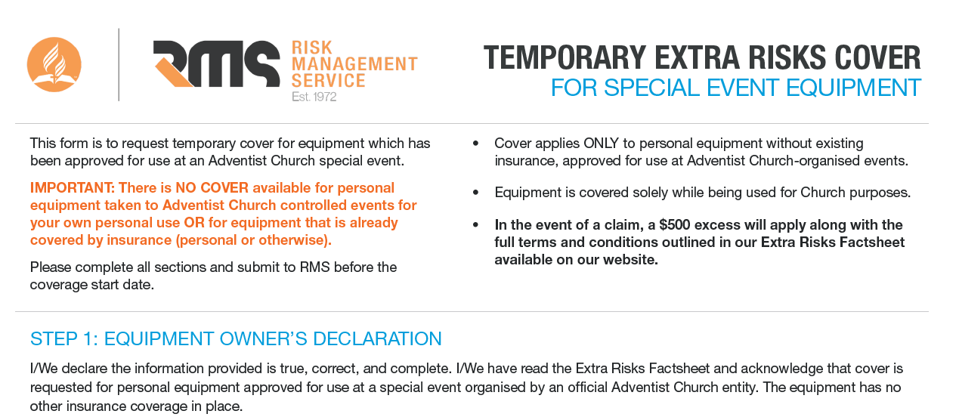

 | Owners Name:
 | Date:
 | Contact Number:
 | Email Address:

 | Event Details
 | Event Name:
 | Event Address
 | Purpose of equipment use at above event:
 | Cover Start Date
 | Cover End Date:

 | Authorised Officer Approval
 | As an authorised officer of the governing Seventh-day Adventist organisation or entity listed below, I approve this request for cover and accept the associated charges.
 | Officers Name:
 | Signature:
 | Date:
 | Position Held:
 | Adventist Entity:
 | Cover Requested: | $-

Excess | For one event 10% of loss subject to a minimum of $500 and a maximum of $1,000
List of equipment to be covered

Item No | DESCRIBE EACH ITEM REQUIRING TEMPORARY COVER (IINCL. MAKE / MODEL) | SERIAL NUMBER | YEAR ACQUIRED | REPLACEMENT COST (AUD)
EG | Sound Mixer | 1234 | 2025 | $1,499.00
1
2
3
4
5
6
7
8
9
10
11
12
13
14
15
16
17
18
19
20
21
22
23
24
25
26
27
28
29
30
31
32
33
34
35
36
37
38
39
40
41
42
43
44
45
46
47
48
49
50
51
52
53
54
55
56
57
58
59
60
61
62
63
64
65
66
67
68
69
70
71
72
 | Total |  |  | $-

